Sheet1
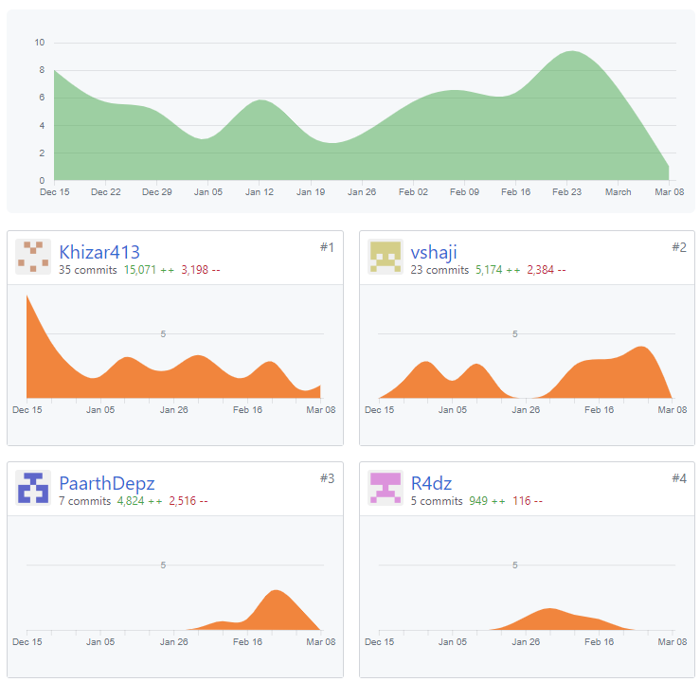
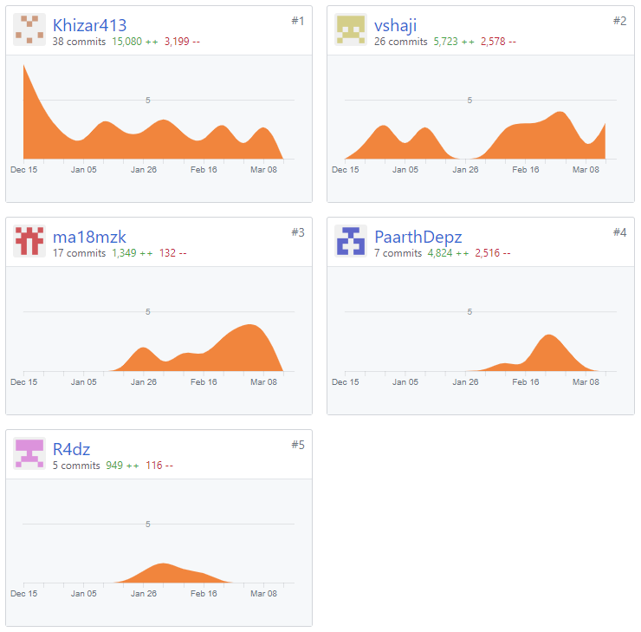

Task | Group Member
Firebase Integration | Khizar
Login Screen | Khizar | Khizar413: Khizar
Registration Screen | Khizar | vshaji: Vignesh
Forgot Password Screen | Khizar | R4dz: Augustas
Menu Screen | Khizar | ma18mzk: Zaheer
Profile Screen | Khizar | PaarthDepz: Paarth
Module Selection Screen | Khizar
Module Screen | Khizar
Grade Calculator Screen | Khizar
Resources Screen | Vignesh
Overall To-Do List Screen | Khizar
To-Do List Screen Per Module | Khizar
Reminder Screen | Khizar
Module Information Screen Per Module | Khizar
Timetable Screen | Augustas
Group Lab Number Screen | Augustas
MySQL Set-Up and Integration | Khizar
Create Virtual Machine in Azure | Edward
Industry Placements Screen | Zaheer
MySQL Admin Work - Create Users, databases and grants | Khizar
Countdown Section in Module Screen | Paarth
Pop-up Notifications | Edward (ONE COMMIT but not working)
Forums Screen | Kulvant (NO COMMITS / NOT DONE)
Resource Request Screen | Vignesh
Database: ResourcesData | Vignesh
Database: StudyHours | Paarth
Database: TimetableData | Augustas
Database: UserPlacementStatistics | Zaheer
Database: modules | Khizar
Database: users | Khizar

